Varimathras
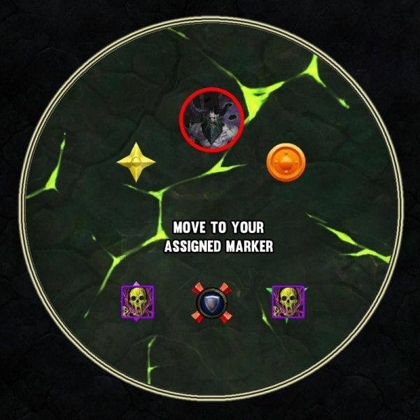
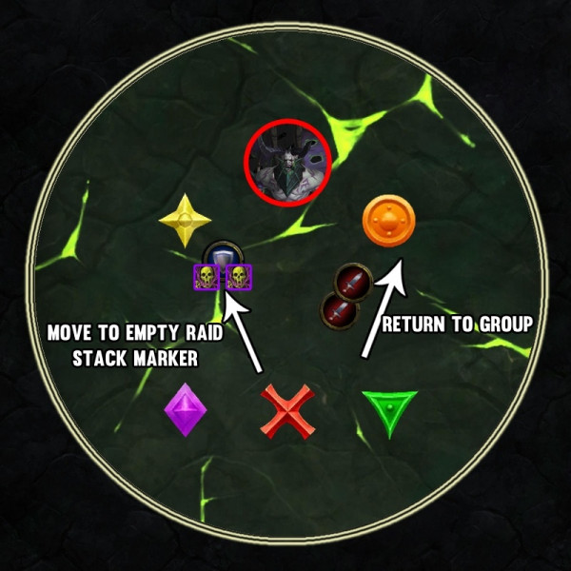
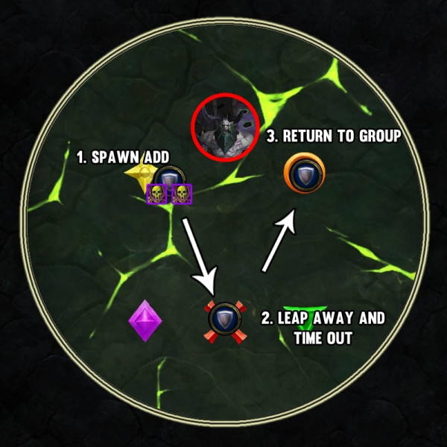
V

Column1 | NM Desc | HC Desc | M desc
Misery | Whenever someone takes shadow damage, they receive Misery 7SEC DEBUFF that reduces healing by 100% and increases shadow damage taken by 200%, Absorbs + Healtshare spells (Spirit Link) Still work
Torment Of Flames | Raid Takes minor ticking fire damage every second for 6 MINUTES, after this the torment is switched to Torment of Shadows, which deals light shadow damage but serves as an enrage because then everyone gets Misery. | ON HC this lasts for 2 minutes, after that it switches to Torment of Frost
Alone in the Darkness | Whenever any player isn't within 8yd of friendly target, boss casts this ability which deals Shadow damage and applies Misery, this is why entire raid is stacked throughout the encounter. |  | Now spawns a ShadowCopy which cast Doom that will wipe the raid cuz of movement requireemnt
Shadow Strike | Tanks need to taunt off each other, every time boss reaches 100% Energy and casts SHADOWSTRIKE, tanks gains Misery and other tank needs to taunt off. | Now hits everyone in FRONTAL CONE, so off tank has to either stand on side of the inner cone or move to back of the boss while still remaining in 8yd range of the other tank to avoid alone in the darkness
Dark-Fissure | On a timer 3 Dark fissures spawn underneath the location of random players, One after Another, as these spawn they have few moments delay before they do their first tick. You want the entire raid stacked on one side and then move on the other once they start spawning.
Marked Prey | On a separate timer you have Marked Prey, this DOES NOT OVERLAP WITH DARK FISSURE, marks random non tank player and after 5 seconds boss sends out a projectile in that direction which can be soaked by player standing in front of the entire group. That player then gets knocked back (usually rogue,druid DH or warrior, cuz they can quickly come back) to avoid Alone in the darkness
Torment of Frost |  | During minutes 2-4, raid is affected by this debuff, deals frost damage + slows movement speed by 40% .
Torment of Fel |  | During minutes 4-6, deals initial low ticking fire damage every 5 sec, however this damage ramps up by 50% with each tick., after this at minute 6 it switches to Torment of Shadows much like NM and wipes the raid.
Necrotic Embrace |  | Debuff placed on random NON TANK player, lasts for 6 seconds, when it expires player takes burst of shadow damage, at the same time, debuff will jump to anyone within 10yds, so initial target has to be 10yd+ away from the group, player will take Alone in the darkness + necrotic embrace damage so they have to be full HP | Now goes onto 2 PLAYERS, in order to avoid 2 adds spawning, you need a third person (3rd Tank), which stands in between of 2 players afflicted with Necrotic, Debuff jumps on him, 2 players return to the group, while tank moves to empty raid stack point (left or right side behind the boss in melee) where he spawns the add and drops Necrotic
Echoes of Doom |  |  | Casted by SHADOW COPY, 3.5 sec cast time, spawns a permanent pool ujnderneath the player, prolly wipes the raid

Coven
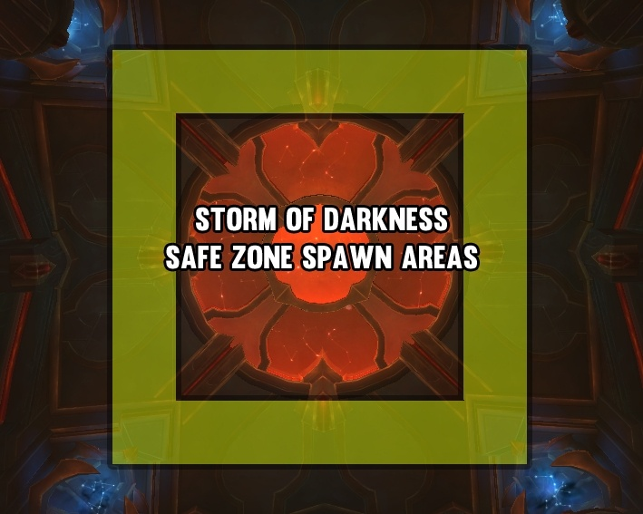
Mechanic | NM Desc | HC Desc | M desc
Shivan Pact | Bosses take 99% less damage if they are within 18yd of one another (aim for 19-22yd)
Noura, Mother of Flames Abilities
Fiery Strike | Frontal cleave, so boss needs to be faced away from the gorup, players hit get a debuff that increases damage taken of the next frontal cleave by 100%, so tanks have to switch the bosses by taunting each other's boss at 5 or more stacks depending on gear
Whirling Saber | Throws out a sword towards the location of random RANGED player, dealing damage to anyone within that area.
Fulminating Pulse |  | Applies Fulminating Pulse debuffs to several raid members, this 10 second dot causes players to explode when the debuff expires dealing burst of damage to anyone within 6yd
Asara, Mother of Night
Touch of Darkness | Uninterruptable cast that deals damage to random raid members
Shadow Blades | She conjures 3 blades that hover enxt to her for a moment, they will shoot across the encounter area and knocking back any players that they contact, blades face the direction they are going to travel as they spawn (like avatar)
Storm of Darkness |  | This deals heavy raid wide damage EVERY SECOND over 15 SECONDS , during this cast multiple safe zones spawn which prevent all damage taken by Storm of Darkness, bosses need to be tanked in different zones that are at least 18yd apart to ensure Shivan Pact is not activated. This ability can overlap with others like Fulminating pulse etc. | There is now a set number of FIXED locations that the boss randomly chooses each time the ability is cast, these locations generally lie around the edges of encounter room as shown in the picture.
Torment of the Titans (Titan soul rotation is ALWAYS RANDOM, so there is no particular ORDER(EXCEPT ON MYTHIC, NOTE BELOW), though upcoming soul is visible on raid frames on Diima CAST BAR)
MYTHIC NOTE | Torment adds are no longer in random order and spawn on 1:35 timer now, Rotation is ALWAYS Khaz Goroth->Spectral Army of Norganon -> Fury of Golganneth -> Machinations of Aman'Thul and this cycle keeps going on until boss dies
Sense of Dread | Only present during Diima's cast, raid recieves ever increasing stacks of dot called sense of the dread, once cast completes Sense of Dread debuff drops
Machinations of Aman'Thul | Spawns multiple Torment of Aman'Thul adds around the sides of the room, adds stand still and cast Machinations of Aman' Thul , these casts are Uninterruptable, on cast finish a dot is applied on the raid which can stack + heals the add to full health. Goal is to kill the adds before too many or any casts are finished.
Fury of Golganneth | Spawns Torment of Golganneth adds, which only stand around the encounter area like Torment of Aman'thul adds, they are channeling Fury of Golganneth which deals burst of damage to any player who stands within 2 yards of another player, due to this everyone needs to be spread
Flames of Khazgoroth | Summons Torment of Khaz'goroth adds that are spaced evenly around the sides of the room, all adds channel a flamethrower into the middle of the room which deals large amount of damage EVERY SECOND. |  | Overlaps with Storm of Darkness on first cast
Spectral Army of Norgannon | Spawns large amount of Torment of Norgannon adds around the walls of encounter area which start walking in straight Lines, also raid takes dot damage every second (stacks) adds have 1 HP but have Visage of the Titan buff which makes them immune to damage for 30 seconds after spawn, These mobs can be CCed with INCLUDING HARD CCs like Paralysis |  | Overlaps with Storm of Darkness on first cast
Diima, Mother of Gloom (enters the encounter instead of Noura after 2 Torment Soul Mechanics are finished)
Flashfreeze | Frequently hits tanks with Flashfreeze, deals huge damage and applies debuff which reduces movement speed by 10% for 20 sec. (this effect stacks) so tanks need to taunt off eachother at some point to drop off the stacks
Chilled Blood | Healing Absorption debuff placed on multiple members of the raid, when it times out the debuffed players are stunned, stun duration is based on the amount of heal absorption remaining
Orb of Frost |  | Spawns large orb of frost at the location of random RANGED PLAYER, ORB lingers at the same location slowing players within 30yds up to 85%. This slow is reduced the further players are from the orb. Ranged players should try to bait orb into spawning into an ideal location.
Note | Once Noura torments 2 titan souls, she comes back and Asara exits, this time around tanks need to take care of both Flashfreeze and Fiery Strike stacks, once Asara torments 2 titan souls she enters and Diima leaves which puts you back in same situation as start, this cycle goes on until u kill the boss. |  | Thu'Raya, Mother of Cosmos is the 4th boss that rotates in 4th after Asara leaves the encounter space, as first Machinations of Aman'thul adds appear
Touch of the Cosmos |  |  | Interruptable cast which deals near lethal fire damage to random player in raid (x3 14 seconds interupt are enough to cover each of the casts.
Cosmic Glare |  |  | Places a debuff on two random non tank players, after few moments the players will be struck by a line that travels across the room, intercepting both of their locations, deals large damage to anyone who stand within it. Players need to quickly identify which players have the glare and ensure nobody is standing in the line.
Enrage Timer is 12 Minutes

